D1
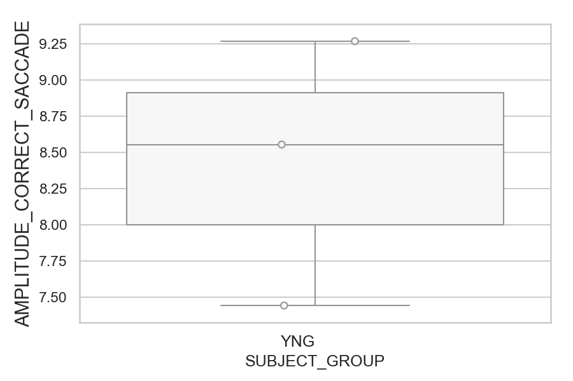
Amplitude of the correct saccade (degrees) (mean of all trials per subject)
SUBJECT_NAME | SUBJECT_GROUP | SUBJECT_AGE | VALUE
MP1 | YNG |  | 9.2702693724
AW001CG | YNG | 19 | 8.5561043296
AW002AF | YNG | 19 | 7.4441229114

D1 (types)
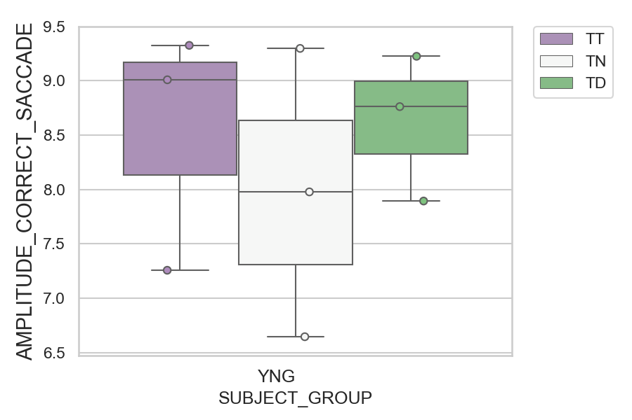
Amplitude of the correct saccade (degrees) (mean of all trials per subject)
SUBJECT_NAME | SUBJECT_GROUP | CONDITION_APPEARANCE | SUBJECT_AGE | VALUE
MP1 | YNG | TT |  | 9.3261729435
MP1 | YNG | TN |  | 9.2981297276
MP1 | YNG | TD |  | 9.2256013738
AW001CG | YNG | TT | 19 | 9.0095205014
AW001CG | YNG | TD | 19 | 8.7626549813
AW001CG | YNG | TN | 19 | 7.9782984152
AW002AF | YNG | TD | 19 | 7.8942243639
AW002AF | YNG | TT | 19 | 7.2573224275
AW002AF | YNG | TN | 19 | 6.6458111795

D2
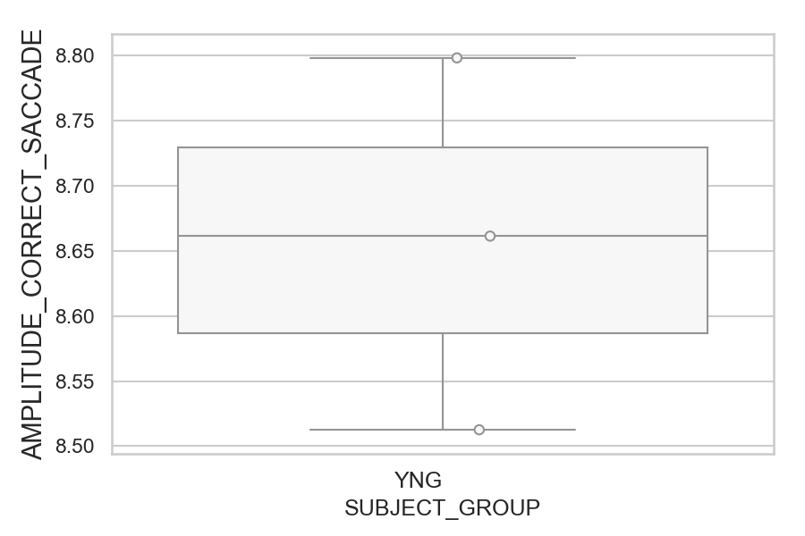
Amplitude of the correct saccade (degrees) (mean of all trials per subject)
SUBJECT_NAME | SUBJECT_GROUP | SUBJECT_AGE | VALUE
AW001CG | YNG | 19 | 8.7983570311
MP1 | YNG |  | 8.6614244121
AW002AF | YNG | 19 | 8.5126007257

D2 (types)
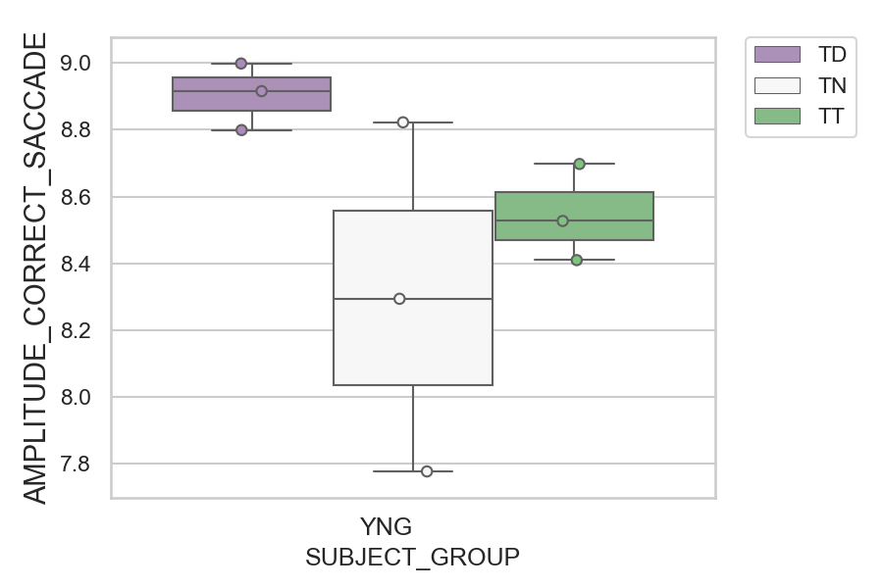
Amplitude of the correct saccade (degrees) (mean of all trials per subject)
SUBJECT_NAME | SUBJECT_GROUP | CONDITION_APPEARANCE | SUBJECT_AGE | VALUE
MP1 | YNG | TD |  | 8.9980870329
AW001CG | YNG | TD | 19 | 8.9153915303
AW001CG | YNG | TN | 19 | 8.8220844607
AW002AF | YNG | TD | 19 | 8.7988311154
AW002AF | YNG | TT | 19 | 8.6973860092
AW001CG | YNG | TT | 19 | 8.5268531566
MP1 | YNG | TT |  | 8.4097026881
MP1 | YNG | TN |  | 8.2939827616
AW002AF | YNG | TN | 19 | 7.777372385

D2 (no D1 failed)

Amplitude of the correct saccade (degrees) (mean of all trials per subject)
SUBJECT_NAME | SUBJECT_GROUP | SUBJECT_AGE | VALUE
AW001CG | YNG | 19 | 8.7983570311
MP1 | YNG |  | 8.6853630808
AW002AF | YNG | 19 | 8.5126007257

D2 (no D1 failed) (types)
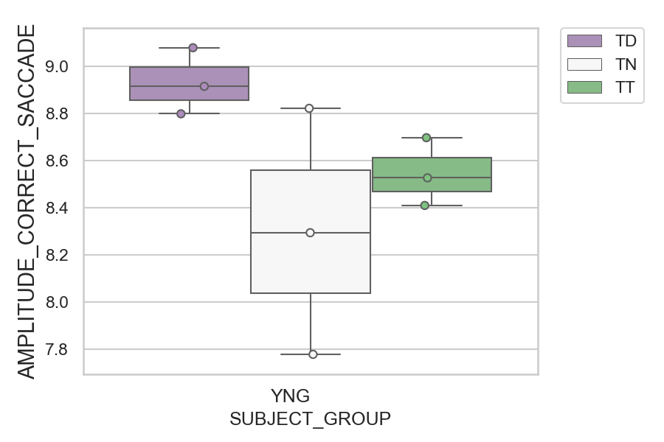
Amplitude of the correct saccade (degrees) (mean of all trials per subject)
SUBJECT_NAME | SUBJECT_GROUP | CONDITION_APPEARANCE | SUBJECT_AGE | VALUE
MP1 | YNG | TD |  | 9.0794026274
AW001CG | YNG | TD | 19 | 8.9153915303
AW001CG | YNG | TN | 19 | 8.8220844607
AW002AF | YNG | TD | 19 | 8.7988311154
AW002AF | YNG | TT | 19 | 8.6973860092
AW001CG | YNG | TT | 19 | 8.5268531566
MP1 | YNG | TT |  | 8.4097026881
MP1 | YNG | TN |  | 8.2939827616
AW002AF | YNG | TN | 19 | 7.777372385

